Φύλλο1
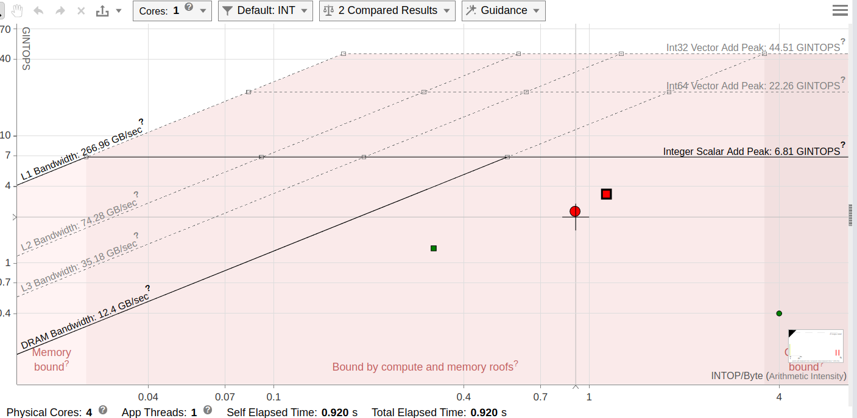
x86 |  |  |  |  | ARM |  |  |  |  | FPGA
Ν | Μ | unoptimised (s) | optimised (s) | Optimisation | Ν | Μ | unoptimised (s) | optimised (s) | Optimisation | Ν | Μ | unoptimised (s) | optimised (s) | Optimisation
32 | 32 | 0.000013 | 0.000012 | 7.6923% | 32 | 32 | 0.000098 | 0.000045 | 54.0816% | 32 | 32 | 0.002565564 | 0.000817334 | 68.1421%
32 | 65536 | 0.034103 | 0.018605 | 45.4447% | 32 | 65536 | 0.175177 | 0.076079 | 56.5702% | 32 | 65536 | 3.268688927 | 0.380162242 | 88.3696%
256 | 65536 | 0.263528 | 0.137813 | 47.7046% | 256 | 65536 | 1.402216 | 0.586488 | 58.1742% | 256 | 65536 | 0.443408594 | 2.176 | -390.7438%
256 | 300000 | 1.196854 | 0.628575 | 47.4811% | 256 | 300000 | 6.417753 | 2.685104 | 58.1613% | 256 | 300000 | - | - | -
LSAL performance on x86
LSAL performance on ARM

x86 vs ARM Optimized |  |  |  |  | x86 vs ARM Unoptimized
Ν | Μ | ARM | x86 | Optimisation | Ν | Μ | ARM | x86 | Optimisation
32 | 32 | 0.000045 | 0.000012 | 73.3333% | 32 | 32 | 0.000098 | 0.000013 | 86.7347%
32 | 65536 | 0.076079 | 0.018605 | 75.5452% | 32 | 65536 | 0.175177 | 0.034103 | 80.5323%
256 | 65536 | 0.586488 | 0.137813 | 76.5020% | 256 | 65536 | 1.402216 | 0.263528 | 81.2063%
256 | 300000 | 2.685104 | 0.628575 | 76.5903% | 256 | 300000 | 6.417753 | 1.196854 | 81.3509%
x86 vs ARM Unoptimised
x86 vs ARM Unoptimised

